Instructions
 | Creative BC instructions:

 | This document is for the purposes of estimating tax credits and is not a final or guaranteed representation of tax credits that a production corporation may or may not be eligible for.

- | This breakdown is for live action (not animated) productions.
- | "Principal photography" is the filming of the main unit of the production (with principals and majority key creatives present on set), distinct from second unit, splinter unit etc.
- | For single production(s), please use "Single Production" locations breakdown tab.
- | For episodic production(s), please use "Episodic Production" locations breakdown tab.
- | To mark the episode filmed on a certain calendar day, use the symbol "1". If two or more episodes were filmed on one calendar day, mark all episodes with principal photography on that day.
- | If an episode is a part of the block, indicate its block number above the episode number in the column.

 | The locations breakdown is adjustable:
- | You can delete the unused rows or add more rows if you have more principal photography days, and delete the unused episodic columns or add more if you have more episodes. Add the episode number(s) in the episodic column(s) and in the quailifying espisode(s) summary on a bottom.

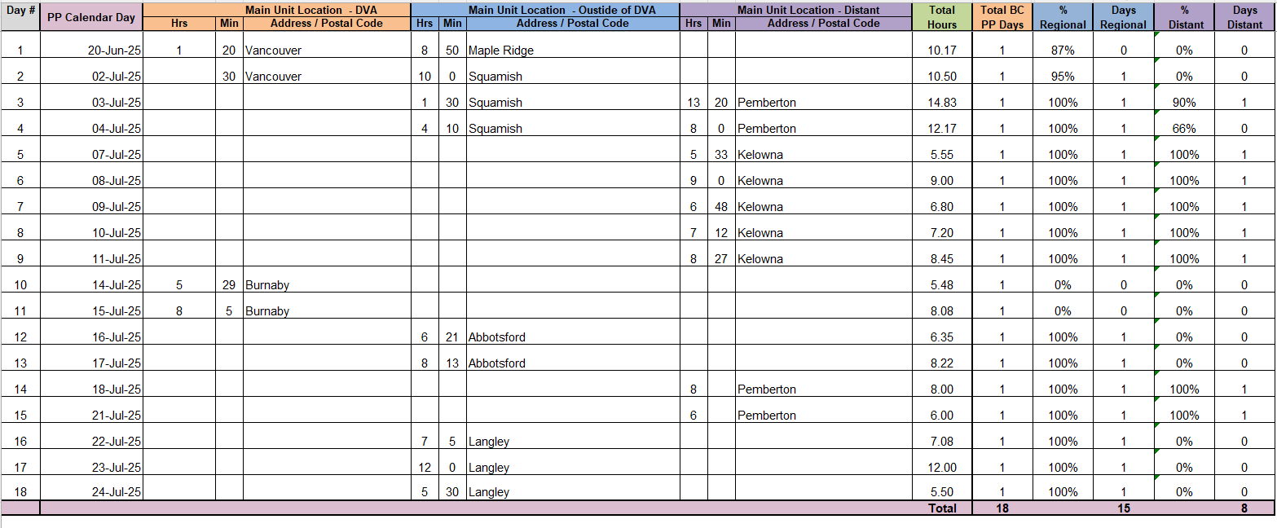
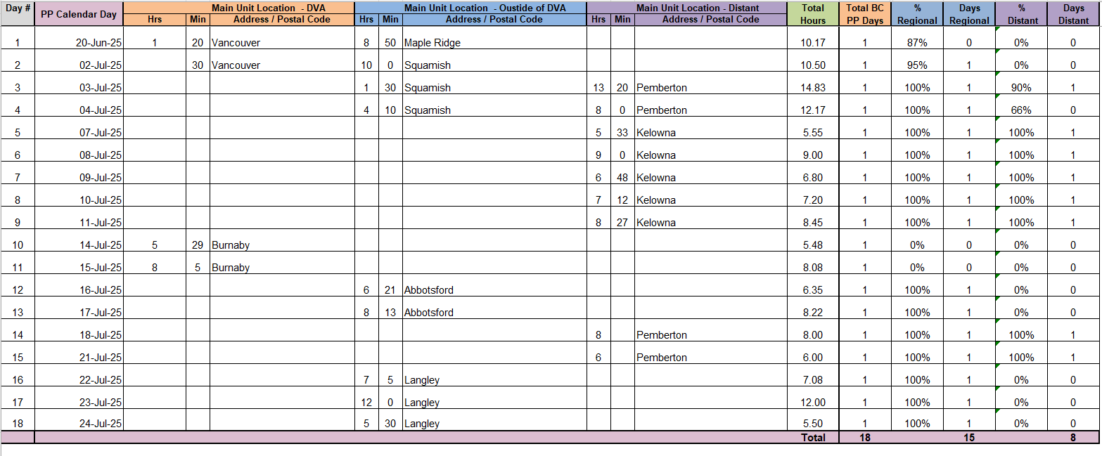

If PP occurs within the DVA and outside the DVA on the same calendar day, the day can be considered a regional day only if PP filming time on that day takes place substantially outside of the DVA. For tax purposes, "substantially” is interpreted as 90% or more

If PP occurs in a regional location and a distant location on the same calendar day, the day can be considered a distant location day only if PP on that day takes place substantially in a distant location

 | Legislation (BC Income Tax Act):
 | FIBC
 | See 81.1 (Regional) and 81.11 (Distant Location)
 | PSTC
 | See 82.2 (Regional) and 82.21 (Distant Location)

 | Version 20250808

Single Production
Day # | PP Calendar Day |  |  | Main Unit Location - DVA |  |  | Main Unit Location - Oustide of DVA |  |  | Main Unit Location - Distant | Total Hours | Total BC PP Days | % Regional | Days Regional | % Distant | Days Distant
 |  | Hrs | Min | Address / Postal Code | Hrs | Min | Address / Postal Code | Hrs | Min | Address / Postal Code
 |  |  |  |  |  |  |  |  |  |  | 0.00 | 0 | 0% | 0 | 0% | 0
 |  |  |  |  |  |  |  |  |  |  | 0.00 | 0 | 0% | 0 | 0% | 0
 |  |  |  |  |  |  |  |  |  |  | 0.00 | 0 | 0% | 0 | 0% | 0
 |  |  |  |  |  |  |  |  |  |  | 0.00 | 0 | 0% | 0 | 0% | 0
 |  |  |  |  |  |  |  |  |  |  | 0.00 | 0 | 0% | 0 | 0% | 0
 |  |  |  |  |  |  |  |  |  |  | 0.00 | 0 | 0% | 0 | 0% | 0
 |  |  |  |  |  |  |  |  |  |  | 0.00 | 0 | 0% | 0 | 0% | 0
 |  |  |  |  |  |  |  |  |  |  | 0.00 | 0 | 0% | 0 | 0% | 0
 |  |  |  |  |  |  |  |  |  |  | 0.00 | 0 | 0% | 0 | 0% | 0
 |  |  |  |  |  |  |  |  |  |  | 0.00 | 0 | 0% | 0 | 0% | 0
 |  |  |  |  |  |  |  |  |  |  | 0.00 | 0 | 0% | 0 | 0% | 0
 |  |  |  |  |  |  |  |  |  |  | 0.00 | 0 | 0% | 0 | 0% | 0
 |  |  |  |  |  |  |  |  |  |  | 0.00 | 0 | 0% | 0 | 0% | 0
 |  |  |  |  |  |  |  |  |  |  | 0.00 | 0 | 0% | 0 | 0% | 0
 |  |  |  |  |  |  |  |  |  |  | 0.00 | 0 | 0% | 0 | 0% | 0
 |  |  |  |  |  |  |  |  |  |  | 0.00 | 0 | 0% | 0 | 0% | 0
 |  |  |  |  |  |  |  |  |  |  | 0.00 | 0 | 0% | 0 | 0% | 0
 |  |  |  |  |  |  |  |  |  |  | 0.00 | 0 | 0% | 0 | 0% | 0
 |  |  |  |  |  |  |  |  |  |  | 0.00 | 0 | 0% | 0 | 0% | 0
 |  |  |  |  |  |  |  |  |  |  | 0.00 | 0 | 0% | 0 | 0% | 0
 |  |  |  |  |  |  |  |  |  |  | 0.00 | 0 | 0% | 0 | 0% | 0
 |  |  |  |  |  |  |  |  |  |  | 0.00 | 0 | 0% | 0 | 0% | 0
 |  |  |  |  |  |  |  |  |  |  | 0.00 | 0 | 0% | 0 | 0% | 0
 |  |  |  |  |  |  |  |  |  |  | 0.00 | 0 | 0% | 0 | 0% | 0
 |  |  |  |  |  |  |  |  |  |  | 0.00 | 0 | 0% | 0 | 0% | 0
 |  |  |  |  |  |  |  |  |  |  | 0.00 | 0 | 0% | 0 | 0% | 0
 |  |  |  |  |  |  |  |  |  |  | 0.00 | 0 | 0% | 0 | 0% | 0
 |  |  |  |  |  |  |  |  |  |  | 0.00 | 0 | 0% | 0 | 0% | 0
 |  |  |  |  |  |  |  |  |  |  | 0.00 | 0 | 0% | 0 | 0% | 0
 |  |  |  |  |  |  |  |  |  |  | 0.00 | 0 | 0% | 0 | 0% | 0
 |  |  |  |  |  |  |  |  |  |  | 0.00 | 0 | 0% | 0 | 0% | 0
 |  |  |  |  |  |  |  |  |  |  | Total | 0 |  | 0 |  | 0

At least 5 PP days are in BC outside of the DVA
More than 50% of the total number PP in BC days are outside DVA
 |  |  |  |  |  |  |  |  |  | Summary |  | Total BC PP Days |  | Regional Days |  | Distant Days

 |  |  |  |  |  |  |  |  |  | Total |  | 0 |  | 0 |  | 0

Episodic Production
Day # | PP Calendar Day |  |  | Main Unit Location - DVA |  |  | Main Unit Location - Oustide of DVA |  |  | Main Unit Location - Distant | Total Hours | Total BC PP Days | % Regional | Days Regional | % Distant | Days Distant
 |  | Hrs | Min | Address / Postal Code | Hrs | Min | Address / Postal Code | Hrs | Min | Address / Postal Code |  |  |  |  |  |  | Episode # | Episode # | Episode # | Episode # | Episode # | Episode # | Episode # | Episode # | Episode # | Episode #
 |  |  |  |  |  |  |  |  |  |  | 0.00 | 0 | 0% | 0 | 0% | 0
 |  |  |  |  |  |  |  |  |  |  | 0.00 | 0 | 0% | 0 | 0% | 0
 |  |  |  |  |  |  |  |  |  |  | 0.00 | 0 | 0% | 0 | 0% | 0
 |  |  |  |  |  |  |  |  |  |  | 0.00 | 0 | 0% | 0 | 0% | 0
 |  |  |  |  |  |  |  |  |  |  | 0.00 | 0 | 0% | 0 | 0% | 0
 |  |  |  |  |  |  |  |  |  |  | 0.00 | 0 | 0% | 0 | 0% | 0
 |  |  |  |  |  |  |  |  |  |  | 0.00 | 0 | 0% | 0 | 0% | 0
 |  |  |  |  |  |  |  |  |  |  | 0.00 | 0 | 0% | 0 | 0% | 0
 |  |  |  |  |  |  |  |  |  |  | 0.00 | 0 | 0% | 0 | 0% | 0
 |  |  |  |  |  |  |  |  |  |  | 0.00 | 0 | 0% | 0 | 0% | 0
 |  |  |  |  |  |  |  |  |  |  | 0.00 | 0 | 0% | 0 | 0% | 0
 |  |  |  |  |  |  |  |  |  |  | 0.00 | 0 | 0% | 0 | 0% | 0
 |  |  |  |  |  |  |  |  |  |  | 0.00 | 0 | 0% | 0 | 0% | 0
 |  |  |  |  |  |  |  |  |  |  | 0.00 | 0 | 0% | 0 | 0% | 0
 |  |  |  |  |  |  |  |  |  |  | 0.00 | 0 | 0% | 0 | 0% | 0
 |  |  |  |  |  |  |  |  |  |  | 0.00 | 0 | 0% | 0 | 0% | 0
 |  |  |  |  |  |  |  |  |  |  | 0.00 | 0 | 0% | 0 | 0% | 0
 |  |  |  |  |  |  |  |  |  |  | 0.00 | 0 | 0% | 0 | 0% | 0
 |  |  |  |  |  |  |  |  |  |  | 0.00 | 0 | 0% | 0 | 0% | 0
 |  |  |  |  |  |  |  |  |  |  | 0.00 | 0 | 0% | 0 | 0% | 0
 |  |  |  |  |  |  |  |  |  |  | 0.00 | 0 | 0% | 0 | 0% | 0
 |  |  |  |  |  |  |  |  |  |  | 0.00 | 0 | 0% | 0 | 0% | 0
 |  |  |  |  |  |  |  |  |  |  | 0.00 | 0 | 0% | 0 | 0% | 0
 |  |  |  |  |  |  |  |  |  |  | 0.00 | 0 | 0% | 0 | 0% | 0
 |  |  |  |  |  |  |  |  |  |  | 0.00 | 0 | 0% | 0 | 0% | 0
 |  |  |  |  |  |  |  |  |  |  | 0.00 | 0 | 0% | 0 | 0% | 0
 |  |  |  |  |  |  |  |  |  |  | 0.00 | 0 | 0% | 0 | 0% | 0
 |  |  |  |  |  |  |  |  |  |  | 0.00 | 0 | 0% | 0 | 0% | 0
 |  |  |  |  |  |  |  |  |  |  | 0.00 | 0 | 0% | 0 | 0% | 0
 |  |  |  |  |  |  |  |  |  |  | 0.00 | 0 | 0% | 0 | 0% | 0
 |  |  |  |  |  |  |  |  |  |  | 0.00 | 0 | 0% | 0 | 0% | 0
 |  |  |  |  |  |  |  |  |  |  | 0.00 | 0 | 0% | 0 | 0% | 0
 |  |  |  |  |  |  |  |  |  |  | 0.00 | 0 | 0% | 0 | 0% | 0
 |  |  |  |  |  |  |  |  |  |  | 0.00 | 0 | 0% | 0 | 0% | 0
 |  |  |  |  |  |  |  |  |  |  | 0.00 | 0 | 0% | 0 | 0% | 0
 |  |  |  |  |  |  |  |  |  |  | 0.00 | 0 | 0% | 0 | 0% | 0
 |  |  |  |  |  |  |  |  |  |  | 0.00 | 0 | 0% | 0 | 0% | 0
 |  |  |  |  |  |  |  |  |  |  | 0.00 | 0 | 0% | 0 | 0% | 0
 |  |  |  |  |  |  |  |  |  |  | 0.00 | 0 | 0% | 0 | 0% | 0
 |  |  |  |  |  |  |  |  |  |  | 0.00 | 0 | 0% | 0 | 0% | 0
 |  |  |  |  |  |  |  |  |  |  | 0.00 | 0 | 0% | 0 | 0% | 0
 |  |  |  |  |  |  |  |  |  |  | 0.00 | 0 | 0% | 0 | 0% | 0
 |  |  |  |  |  |  |  |  |  |  | 0.00 | 0 | 0% | 0 | 0% | 0
 |  |  |  |  |  |  |  |  |  |  | 0.00 | 0 | 0% | 0 | 0% | 0
 |  |  |  |  |  |  |  |  |  |  | 0.00 | 0 | 0% | 0 | 0% | 0
 |  |  |  |  |  |  |  |  |  |  | 0.00 | 0 | 0% | 0 | 0% | 0
 |  |  |  |  |  |  |  |  |  |  | 0.00 | 0 | 0% | 0 | 0% | 0
 |  |  |  |  |  |  |  |  |  |  | 0.00 | 0 | 0% | 0 | 0% | 0
 |  |  |  |  |  |  |  |  |  |  | 0.00 | 0 | 0% | 0 | 0% | 0
 |  |  |  |  |  |  |  |  |  |  | 0.00 | 0 | 0% | 0 | 0% | 0
 |  |  |  |  |  |  |  |  |  |  | 0.00 | 0 | 0% | 0 | 0% | 0
 |  |  |  |  |  |  |  |  |  |  | 0.00 | 0 | 0% | 0 | 0% | 0
 |  |  |  |  |  |  |  |  |  |  | 0.00 | 0 | 0% | 0 | 0% | 0
 |  |  |  |  |  |  |  |  |  |  | 0.00 | 0 | 0% | 0 | 0% | 0
 |  |  |  |  |  |  |  |  |  |  | 0.00 | 0 | 0% | 0 | 0% | 0
 |  |  |  |  |  |  |  |  |  |  | 0.00 | 0 | 0% | 0 | 0% | 0
 |  |  |  |  |  |  |  |  |  |  | 0.00 | 0 | 0% | 0 | 0% | 0
 |  |  |  |  |  |  |  |  |  |  | 0.00 | 0 | 0% | 0 | 0% | 0
 |  |  |  |  |  |  |  |  |  |  | 0.00 | 0 | 0% | 0 | 0% | 0
 |  |  |  |  |  |  |  |  |  |  | 0.00 | 0 | 0% | 0 | 0% | 0
 |  |  |  |  |  |  |  |  |  |  | 0.00 | 0 | 0% | 0 | 0% | 0
 |  |  |  |  |  |  |  |  |  |  | 0.00 | 0 | 0% | 0 | 0% | 0
 |  |  |  |  |  |  |  |  |  |  | 0.00 | 0 | 0% | 0 | 0% | 0
 |  |  |  |  |  |  |  |  |  |  | 0.00 | 0 | 0% | 0 | 0% | 0
 |  |  |  |  |  |  |  |  |  |  | 0.00 | 0 | 0% | 0 | 0% | 0
 |  |  |  |  |  |  |  |  |  |  | 0.00 | 0 | 0% | 0 | 0% | 0
 |  |  |  |  |  |  |  |  |  |  | 0.00 | 0 | 0% | 0 | 0% | 0
 |  |  |  |  |  |  |  |  |  |  | 0.00 | 0 | 0% | 0 | 0% | 0
 |  |  |  |  |  |  |  |  |  |  | 0.00 | 0 | 0% | 0 | 0% | 0
 |  |  |  |  |  |  |  |  |  |  | 0.00 | 0 | 0% | 0 | 0% | 0
 |  |  |  |  |  |  |  |  |  |  | 0.00 | 0 | 0% | 0 | 0% | 0
 |  |  |  |  |  |  |  |  |  |  | 0.00 | 0 | 0% | 0 | 0% | 0
 |  |  |  |  |  |  |  |  |  |  | 0.00 | 0 | 0% | 0 | 0% | 0
 |  |  |  |  |  |  |  |  |  |  | 0.00 | 0 | 0% | 0 | 0% | 0
 |  |  |  |  |  |  |  |  |  |  | 0.00 | 0 | 0% | 0 | 0% | 0
 |  |  |  |  |  |  |  |  |  |  | 0.00 | 0 | 0% | 0 | 0% | 0
 |  |  |  |  |  |  |  |  |  |  | 0.00 | 0 | 0% | 0 | 0% | 0
 |  |  |  |  |  |  |  |  |  |  | 0.00 | 0 | 0% | 0 | 0% | 0
 |  |  |  |  |  |  |  |  |  |  | 0.00 | 0 | 0% | 0 | 0% | 0
 |  |  |  |  |  |  |  |  |  |  | 0.00 | 0 | 0% | 0 | 0% | 0
 |  |  |  |  |  |  |  |  |  |  | 0.00 | 0 | 0% | 0 | 0% | 0
 |  |  |  |  |  |  |  |  |  |  | 0.00 | 0 | 0% | 0 | 0% | 0
 |  |  |  |  |  |  |  |  |  |  | 0.00 | 0 | 0% | 0 | 0% | 0
 |  |  |  |  |  |  |  |  |  |  | 0.00 | 0 | 0% | 0 | 0% | 0
 |  |  |  |  |  |  |  |  |  |  | 0.00 | 0 | 0% | 0 | 0% | 0
 |  |  |  |  |  |  |  |  |  |  | 0.00 | 0 | 0% | 0 | 0% | 0
 |  |  |  |  |  |  |  |  |  |  | 0.00 | 0 | 0% | 0 | 0% | 0
 |  |  |  |  |  |  |  |  |  |  | 0.00 | 0 | 0% | 0 | 0% | 0
 |  |  |  |  |  |  |  |  |  |  | 0.00 | 0 | 0% | 0 | 0% | 0
 |  |  |  |  |  |  |  |  |  |  | 0.00 | 0 | 0% | 0 | 0% | 0
 |  |  |  |  |  |  |  |  |  |  | Total | 0 |  | 0 |  | 0 | 0 | 0 | 0 | 0 | 0 | 0 | 0 | 0 | 0 | 0

At least 3 qualifying episodes, together as a group meet the following requirements:
At least 5 PP days are in BC outside of the DVA
More than 50% of the total number PP in BC days are outside DVA
 |  |  |  |  |  |  |  |  |  |  |  | Qualifying Episodes Summary |  |  |  |  | Episode # | Episode # | Episode # | Episode # | Episode # | Episode # | Episode # | Episode # | Episode # | Episode #
 |  |  |  |  |  |  |  |  |  |  |  | Total BC PP Days |  |  |  |  | 0 | 0 | 0 | 0 | 0 | 0 | 0 | 0 | 0 | 0
 |  |  |  |  |  |  |  |  |  |  |  | Regional Days |  |  |  |  | 0 | 0 | 0 | 0 | 0 | 0 | 0 | 0 | 0 | 0
 |  |  |  |  |  |  |  |  |  |  |  | Distant Days |  |  |  |  | 0 | 0 | 0 | 0 | 0 | 0 | 0 | 0 | 0 | 0

 |  |  |  |  |  |  |  |  |  |  |  | Summary |  |  | Total BC PP Days |  | Regional Days |  | Distant Days

 |  |  |  |  |  |  |  |  |  |  |  | Total |  |  | 0 |  | 0 |  | 0

